5
5 | Test Case | Inputs | Output | Basis Path | Comments | a + b + c + d + e + f | if (x < -1.00 || x < 0.0 || x <= 2.0 || x <= 6.0 || x <= 8.0 || x <= 9.0)
 |  | x | y
 | 1 | -1.01 | 6.00 | 8-9-27 | MCDC: TFFFFF | FFFFFF | x=9.01, y=7.00
 | 2 | -0.01 | 7.00 | 8-11-12-27 | MCDC: FTFFFF | FFFFFT | x=9.00, y=6.00
 | 3 | 2.00 | 0.00 | 8-11-14-15-27 | MCDC: FFTFFF | FFFFTF | x=8.00, y=6.00
 | 4 | 6.00 | 0.00 | 8-11-14-17-18-27 | MCDC: FFFTFF, parabola max. value | FFFTFF | x=6.00, y=8.00
 | 5 | 8.00 | 6.00 | 8-11-14-17-20-21-27 | MCDC: FFFFTF | FFTFFF | x=2.00, y=0.00
 | 6 | 9.00 | 6.00 | 8-11-14-17-20-23-24-27 | MCDC: FFFFFT | FTFFFF | x= -0.01, y=7.00
 | 7 | 9.01 | 7.00 | 8-11-14-17-20-23-26-27 | MCDC: FFFFFF | TFFFFF | x= -1.01, y=6.00
 | 8 | -2.00 | 6.00 | - | Extreme range for x
 | 9 | 10.00 | 7.00 | - | Extreme range for x
 | 10 | -1.00 | 7.00 | - | Boundary value
 | 11 | 0.00 | 7.00 | - | Boundary value
 | 12 | 2.01 | 0.04 | - | Boundary value, parabola min value
 | 13 | 6.01 | 0.03 | - | Boundary value
 | 14 | 8.01 | 6.00 | - | Boundary value
 | 15 | 4.01 | 4.00 | - | middle value of parabolic region
 | 16 | 1.00 | 3.50 | - | middle of ECP in linear region
 | 17 | 7.01 | 3.03 | - | middle of ECP in linear region
 | 18 | -0.51 | 7.00 | - | middle of ECP in linear region
 | 19 | 8.55 | 6.00 | - | middle of ECP in linear region

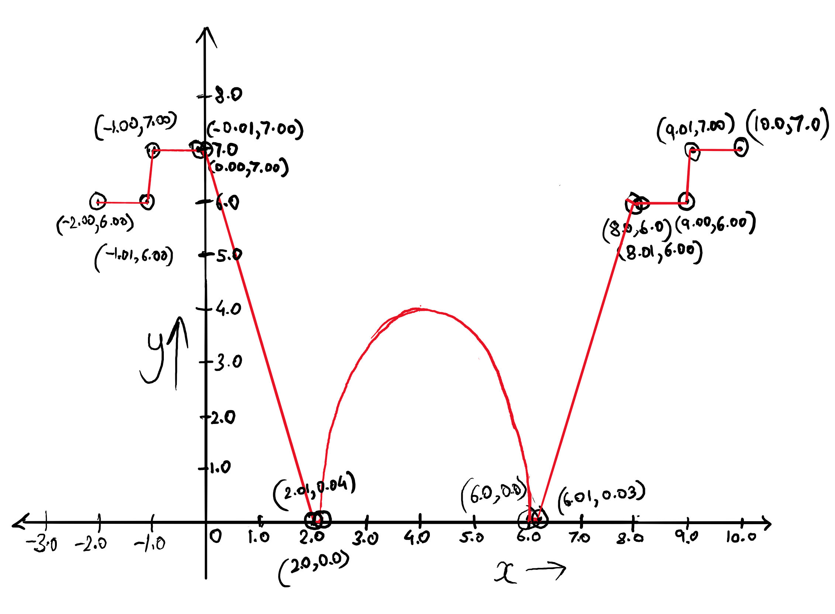

 |  | Decision coverage, Statement Coverage, Full Boundary Values and Extreme range values achieved
 |  | Test Cases support the description.

